Sheet1
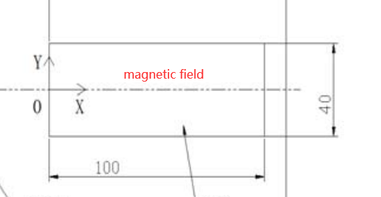
X-axis | Y=0 | Y=15 | Y=10 | Y=-10 | Y=-15 | Y-axis | X=50
0 | 1616 | 1430 | 1528 | 1522 | 1430 | 15 | 2081
2 | 1850 | 1724 | 1793 | 1787 | 1713 | 14 | 2078
4 | 1982 | 1931 | 1954 | 1955 | 1920 | 13 | 2075
6 | 2032 | 2024 | 2021 | 2025 | 2016 | 12 | 2074
8 | 2050 | 2056 | 2045 | 2051 | 2053 | 11 | 2072
10 | 2056 | 2067 | 2053 | 2060 | 2066 | 10 | 2071
15 | 2059 | 2073 | 2058 | 2065 | 2073 | 9 | 2070
20 | 2059 | 2074 | 2058 | 2066 | 2074 | 8 | 2070
25 | 2060 | 2074 | 2059 | 2066 | 2075 | 7 | 2069
30 | 2060 | 2075 | 2059 | 2057 | 2076 | 6 | 2068
35 | 2061 | 2076 | 2060 | 2068 | 2077 | 5 | 2067
40 | 2062 | 2076 | 2061 | 2069 | 2078 | 4 | 2067
45 | 2062 | 2077 | 2061 | 2070 | 2079 | 3 | 2066
50 | 2062 | 2077 | 2061 | 2070 | 2080 | 2 | 2065
55 | 2063 | 2077 | 2061 | 2071 | 2071 | 1 | 2064
60 | 2063 | 2076 | 2061 | 2071 | 2082 | 0 | 2064
65 | 2063 | 2076 | 2061 | 2071 | 2083 | -1 | 2063
70 | 2063 | 2076 | 2060 | 2071 | 2082 | -2 | 2062
75 | 2062 | 2075 | 2059 | 2071 | 2082 | -3 | 2062
80 | 2062 | 2074 | 2059 | 2071 | 2081 | -4 | 2061
85 | 2061 | 2073 | 2058 | 2070 | 2081 | -5 | 2060
90 | 2059 | 2071 | 2055 | 2068 | 2079 | -6 | 2060
92 | 2056 | 2069 | 2054 | 2066 | 2076 | -7 | 2060
94 | 2049 | 2063 | 2048 | 2059 | 2071 | -8 | 2059
96 | 2029 | 2047 | 2032 | 2039 | 2056 | -9 | 2060
98 | 1972 | 2001 | 1989 | 1983 | 2016 | -10 | 2060
100 | 1830 | 1880 | 1873 | 1844 | 1906 | -11 | 2062
 |  |  |  |  |  | -12 | 2065
 |  |  |  |  |  | -13 | 2068
 |  |  |  |  |  | -14 | 2073
 |  |  |  |  |  | -15 | 2077
 |  |  |  |  |  | -16 | 2075
 |  |  |  |  |  | -17 | 2062
 |  |  |  |  |  | -18 | 2030
 |  |  |  |  |  | -19 | 1968
 |  |  |  |  |  | -20 | 1877

